Sheet1
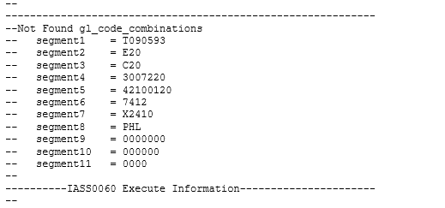

SELECT *
FROM xxia.ias_org_acc_codes
WHERE 1=1
--AND dr_account_flex_field4 = '3007220'
AND dr_account_flex_field5 = '42100120'
ORDER BY creation_date DESC

TRANSACTION_TYPE_NAME | ORGANIZATION_CODE | SUBINVENTORY_CODE | SPECIAL_CODE | TRANSFER_ORGANIZATION_CODE | TRANSFER_SUBINVENTORY_CODE | TRANSFER_SPECIAL_CODE | DR_ACCOUNT_FLEX_FIELD1 | DR_ACCOUNT_FLEX_FIELD2 | DR_ACCOUNT_FLEX_FIELD3 | DR_ACCOUNT_FLEX_FIELD4 | DR_ACCOUNT_FLEX_FIELD5 | DR_ACCOUNT_FLEX_FIELD6 | DR_ACCOUNT_FLEX_FIELD7 | DR_ACCOUNT_FLEX_FIELD8 | DR_ACCOUNT_FLEX_FIELD9 | DR_ACCOUNT_FLEX_FIELD10 | DR_ACCOUNT_FLEX_FIELD11 | DR_ATTRIBUTE1 | DR_ATTRIBUTE2 | DR_ATTRIBUTE3 | DR_ATTRIBUTE4 | DR_ATTRIBUTE5 | DR_ATTRIBUTE6 | DR_ATTRIBUTE7 | DR_ATTRIBUTE8 | DR_ATTRIBUTE9 | DR_ATTRIBUTE10 | DR_ATTRIBUTE11 | DR_ATTRIBUTE12 | DR_ATTRIBUTE13 | DR_ATTRIBUTE14 | DR_ATTRIBUTE15 | DR_ATTRIBUTE16 | DR_ATTRIBUTE17 | DR_ATTRIBUTE18 | DR_ATTRIBUTE19 | DR_ATTRIBUTE20 | CR_ACCOUNT_FLEX_FIELD1 | CR_ACCOUNT_FLEX_FIELD2 | CR_ACCOUNT_FLEX_FIELD3 | CR_ACCOUNT_FLEX_FIELD4 | CR_ACCOUNT_FLEX_FIELD5 | CR_ACCOUNT_FLEX_FIELD6 | CR_ACCOUNT_FLEX_FIELD7 | CR_ACCOUNT_FLEX_FIELD8 | CR_ACCOUNT_FLEX_FIELD9 | CR_ACCOUNT_FLEX_FIELD10 | CR_ACCOUNT_FLEX_FIELD11 | CR_ATTRIBUTE1 | CR_ATTRIBUTE2 | CR_ATTRIBUTE3 | CR_ATTRIBUTE4 | CR_ATTRIBUTE5 | CR_ATTRIBUTE6 | CR_ATTRIBUTE7 | CR_ATTRIBUTE8 | CR_ATTRIBUTE9 | CR_ATTRIBUTE10 | CR_ATTRIBUTE11 | CR_ATTRIBUTE12 | CR_ATTRIBUTE13 | CR_ATTRIBUTE14 | CR_ATTRIBUTE15 | CR_ATTRIBUTE16 | CR_ATTRIBUTE17 | CR_ATTRIBUTE18 | CR_ATTRIBUTE19 | CR_ATTRIBUTE20 | EFFECTIVITY_DATE | DISABLE_DATE | CREATION_DATE | CREATED_BY | LAST_UPDATE_DATE | LAST_UPDATED_BY | LAST_UPDATE_LOGIN
EPE2 interdept expense transfe | MDC | MDCFIN |  |  |  |  | T090593 | M10 | L10 | 3002810 | 11201110 | 0 | X2110 | PHL | 0 | 0 | 0 |  |  |  |  |  |  |  |  |  |  |  |  | UKP |  |  |  |  |  |  |  | T090593 | E20 | C20 | 3007220 | 42100120 | 7412 | X2410 | PHL | 0 | 0 | 0 |  |  |  |  |  |  |  |  |  |  | T0905930000 |  | UKP |  |  |  |  |  |  |  | 2019-04-01 | 2958465.999988426 | 4/30/19 | IASW001000 | 4/30/19 | IASW001000 | Z6750TIP

Wrong set-up and segment5 instead of 42100120 it should be 42200120

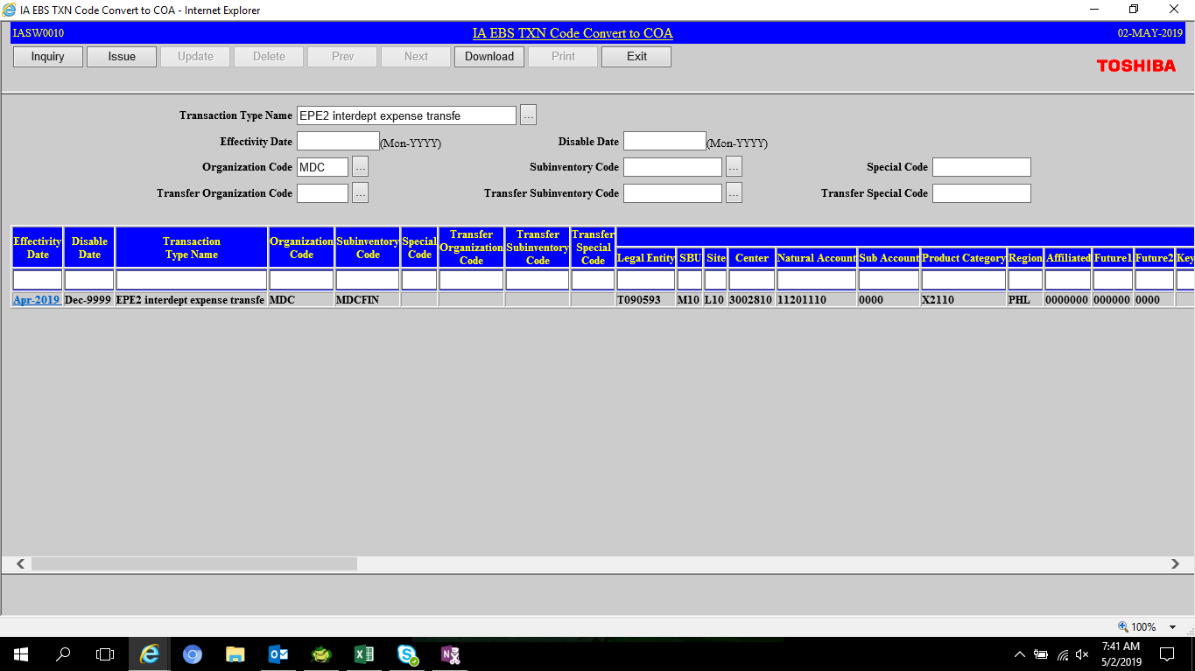

RECOVERY
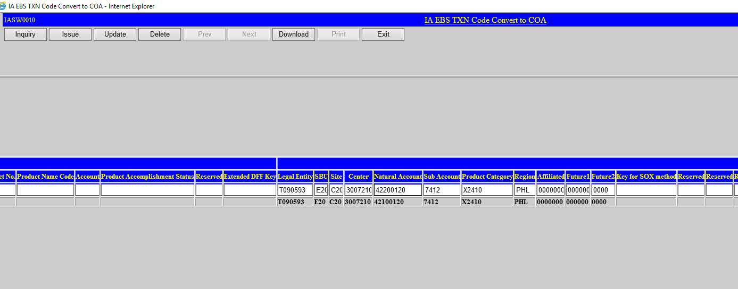

For Update FILE

EMAIL Conversation

Still existing

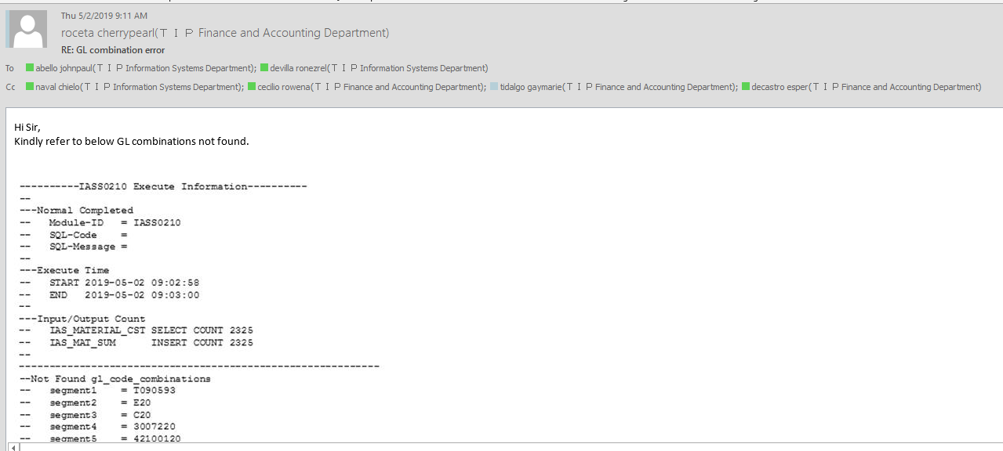

CODE_COMBINATION_ID | SEGMENT1 | SEGMENT2 | SEGMENT3 | SEGMENT4 | SEGMENT5 | SEGMENT6 | SEGMENT7 | SEGMENT8 | SEGMENT9 | SEGMENT10 | SEGMENT11 | CONCATENATED_SEGMENTS | LAST_UPDATE_DATE | START_DATE_ACTIVE | END_DATE_ACTIVE | ENABLED_FLAG | JGZZ_RECON_FLAG | LAST_UPDATE | LAST_UPDATED_BY
1242308 | T090593 | E20 | C20 | 3007220 | 42100120 | 7412 | X2410 | PHL | 0 | 0 | 0 | T090593.E20.C20.3007220.42100120.7412.X2410.PHL.0000000.000000.0000 | 5/2/19 | 2019-05-02 |  | Y | N | ABELLO, Mr. JOHN PAUL EVIA(T090593117M0001) | 11989

